Sheet1
AE307 01DB |  |  | HOMEWORK 5 |  |  | NICHOLAS NGO SYUAN YAW

NACA 0008
Alpha | No. Panels | Cl | Cp (min) Upper | Cp (min) Lower | Cp (max) Upper | Cp (max) Lower
0 | 100 | -3.64E-17 | -0.2753 | -0.2753 | 0.904 | 0.904
 | 200 | 2.17E-17 | -0.2758 | -0.2758 | 0.9747 | 0.9747
 | 300 | 6.33E-17 | -0.276 | -0.276 | 0.9887 | 0.9887
 | 400 | -9.11E-18 | -0.2761 | -0.2761 | 0.9936 | 0.9936
 | 500 | 2.52E-17 | -0.2761 | -0.2761 | 0.9959 | 0.9959
2 | 100 | 0.1165 | -0.8583 | 0.3153 | -0.4433 | 0.9454
 | 200 | 0.1162 | 0.3249 | 0.3741 | 0.3741 | 0.9876
 | 300 | 0.1161 | 0.4031 | 0.4058 | 0.4058 | 0.9956
 | 400 | 0.116 | 0.4273 | 0.4273 | 0.4416 | 0.9981
 | 500 | 0.232 | -0.8583 | -0.09766 | 0.4644 | 0.9991

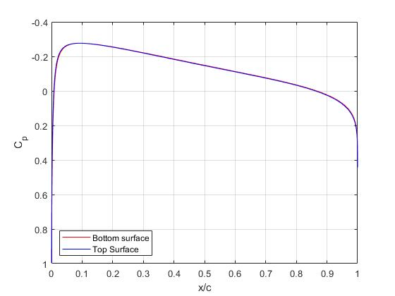
NACA 0008 | (Alpha 0)
 |  |  |  | Comparing data from NACA 0008 symmetry airfoil
 |  |  |  | with Abbott & Doenhoff NACA 0009 symmetry
 |  |  |  | airfoil data graphs on page 454.

 |  |  |  | 400 Panels Selected

 |  |  |  | Data Accuracy:
 |  |  |  | Alpha | Cl | Reference
 |  |  |  | 0 | -9.7145E-17 | S&H
 |  |  |  | 0 | 0 | A&D
 |  |  |  | 2 | 0.116 | S&H
 |  |  |  | 2 | 0.2 | A&D

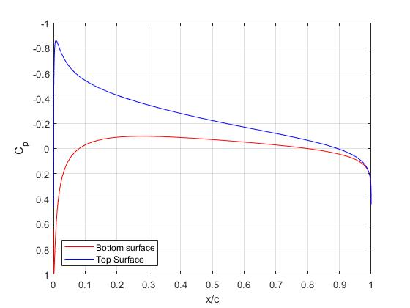
NACA 0008 | (Alpha 2) |  |  | S&H uses calculated data by using panel methods
 |  |  |  | while A&D uses experimental data by using lab
 |  |  |  | simulations.

Sheet2
NICHOLAS NGO SYUAN YAW

NACA 1408
Alpha | No. Panels | Cl | Cp (min) Upper | Cp (min) Lower | Cp (max) Upper | Cp (max) Lower
0 | 100 | 0.0609 | 0.3148 | 0.3148 | 0.9174 | 0.8891
 | 200 | 0.0611 | 0.3735 | 0.3735 | 0.9805 | 0.9681
 | 300 | 0.0611 | 0.4052 | 0.4052 | 0.9922 | 0.9843
 | 400 | 0.0611 | 0.4266 | 0.4266 | 0.9962 | 0.9903
 | 500 | 0.0611 | 0.4427 | 0.4427 | 0.9972 | 0.9932
2 | 100 | 0.1774 | 0.1453 | 0.3167 | 0.3167 | 0.9357
 | 200 | 0.1772 | 0.3623 | 0.3751 | 0.3751 | 0.9833
 | 300 | 0.1771 | 0.4067 | 0.4067 | 0.4352 | 0.993
 | 400 | 0.177 | 0.4281 | 0.4281 | 0.4711 | 0.9964
 | 500 | 0.177 | 0.4441 | 0.4441 | 0.4925 | 0.9979

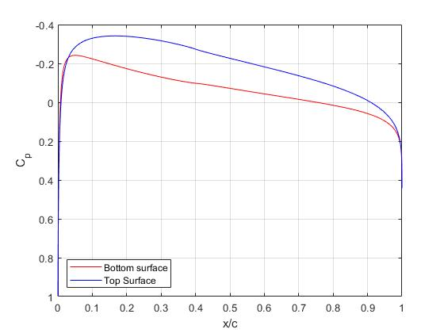
NACA 1408 | (Alpha 0)
 |  |  |  | Comparing data from NACA 1408 symmetry airfoil
 |  |  |  | with Abbott & Doenhoff NACA 1408 cambered
 |  |  |  | airfoil data graphs on page 468.

 |  |  |  | 400 Panels Selected

 |  |  |  | Data Accuracy:
 |  |  |  | (Alpha 0) | 0.0611 | S&H
 |  |  |  | (Alpha 0) | 0.7 | A&D
 |  |  |  | (Alpha 2) | 0.177 | S&H
 |  |  |  | (Alpha 2) | 0.3 | A&D

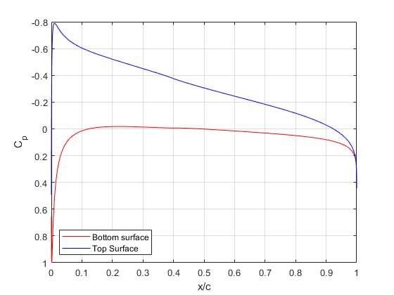
 |  |  |  | S&H uses calculated data by using panel methods
NACA 1408 | (Alpha 2) |  |  | while A&D uses experimental data by using lab
 |  |  |  | simulations.

